Approve document
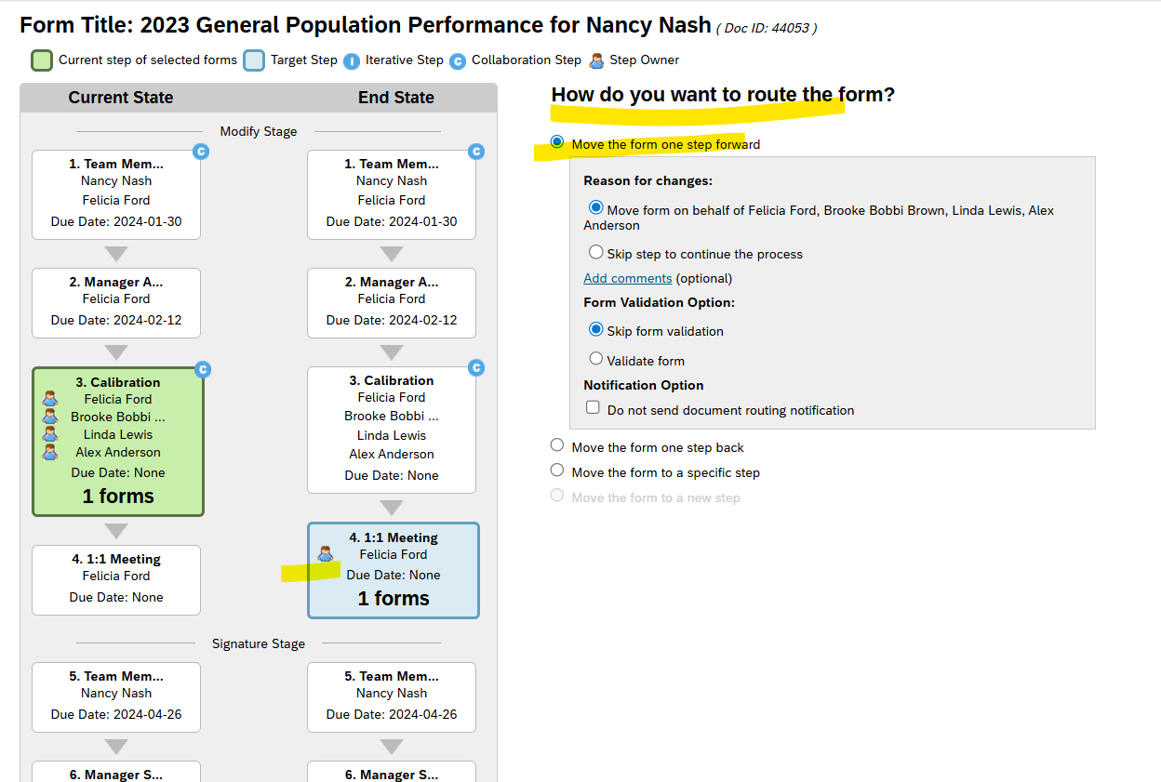
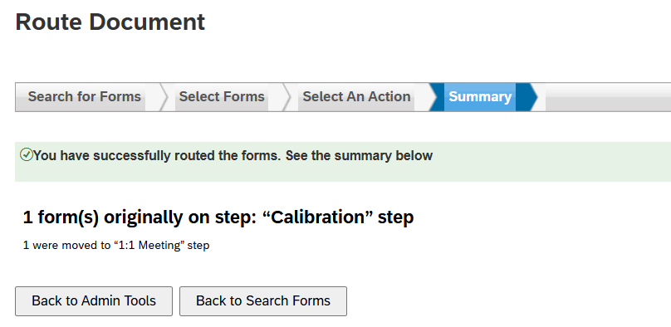
Approve Document | Access to admin tools to complete the current step of a form in the Modify stage and move the form to the next step
Route Map >2023 Gen Performance Form
name | Nancy Nash
HR Champ | Linda Lewis
Form Id | 44053
Current Step Name | calibration

Proxy as Linda Lewis
Route Form
Select the Form Id and Click Next
Select 'Move the form to one step Forward'
Message will display on screen after successfully moving the form to the next step

Route Document
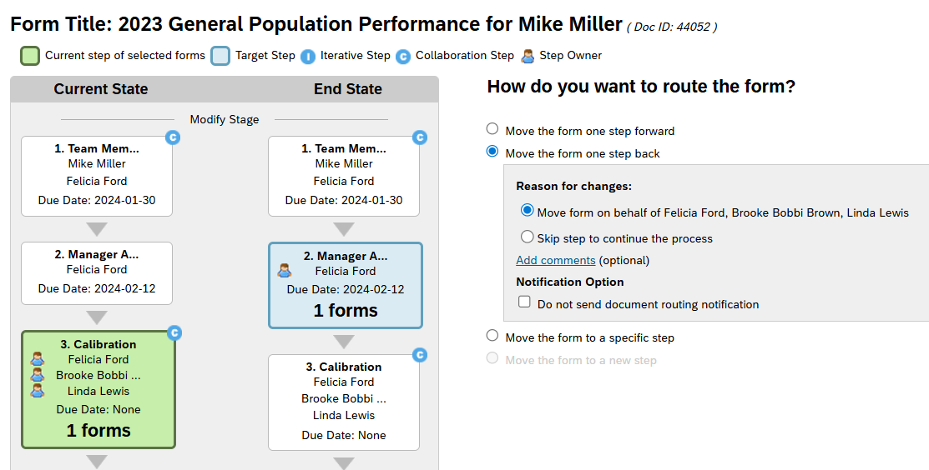
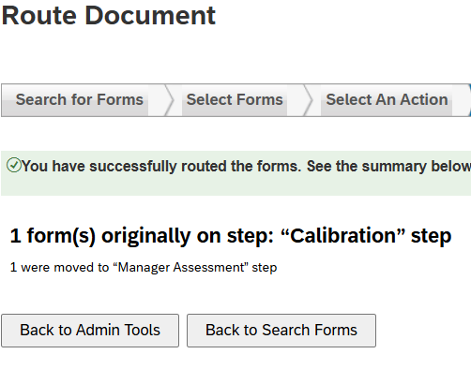
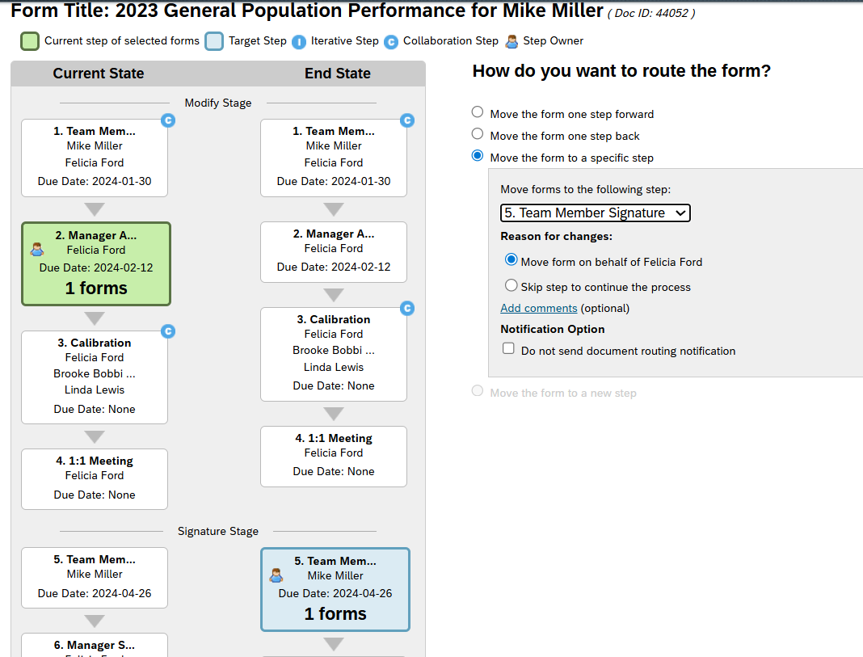
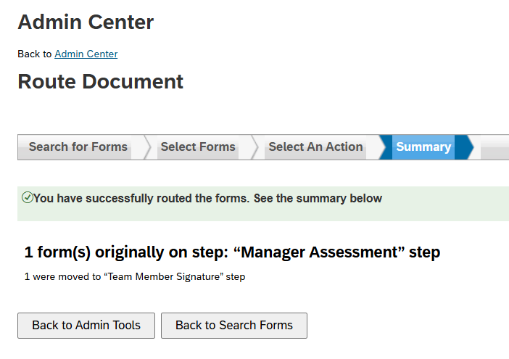
Route Document | Allow role to move a form in the Modify stage to any step in any stage
- Include Completed Documents | Access to admin tools to route completed documents
Route Map >2023 Gen Performance Form
name | Mike Miller
HR Champ | Linda Lewis
Form Id | 44052
Current Step Name | calibration

Proxy as Linda Lewis
Route Form
Select the Form Id and Click Next

Route Signature Stage Document
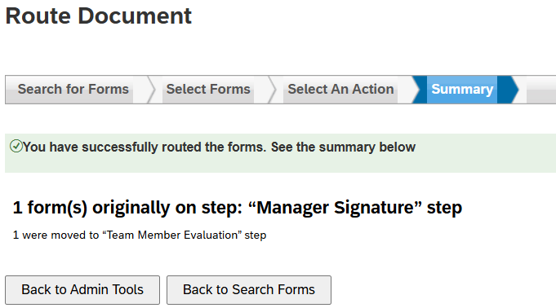
Route Signature Stage Document | HR Champions can route a form from the Signature stage back to the Modify stage
Route Map >2023 Gen Performance Form
name | Kevin Tillman
HR Champ | Linda Lewis
Form Id | 40696
Current Step Name | Manager Signature

Proxy as Linda Lewis
Route Form
Select the Form Id and Click Next

